Sheet1
#1
Windows 10 - As Worn by You - Nothing happens after clicking the tooltip in a photo
TESTER | STATUS | VALUE | BUILD | MODIFIED | SEVERITY | ISSUE TYPE | FREQUENCY | ENVIRONMENT
Aleksey Zhikharev |  | somewhat valuable |  |  | Low | Functional | Every Time | Windows 10 (v20H2) os build 19042.985, Google Chrome x64bit (v90.0.4430.212)

ACTION PERFORMED
1 | Open http://us.puma.com/
2 | Scroll to As Worn By You
3 | Click on the photo
4 | Click on tooltip

EXPECTED RESULT | After clicking on the tooltip in the photo, user is redirected to another page.
ACTUAL RESULT | After clicking on a tooltip, the user still remains in the same page.

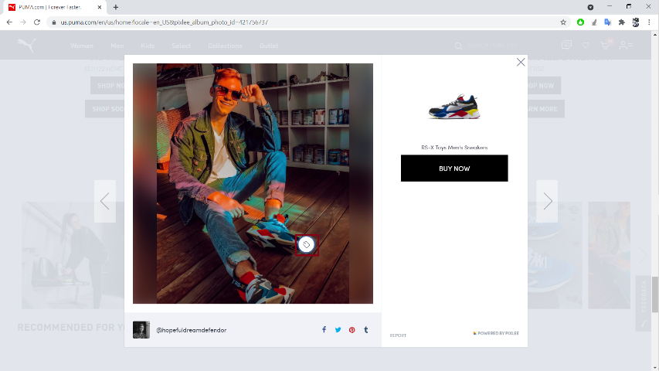
ATTACHMENTS

